Instructions

SmarterSMB Business Manager
Track, measure and grow your business, smarter.

Get started in 3 easy steps:

1 |  | Save this workbook - just so it is easy for you to find again

2 |  | Sign in to the app on the right with your SmarterSMB credentials. | ALL DATA related to GETTING THE SHEET

3 |  | Click on the Home worksheet below to get started with viewing and designing reports

 | We know you don't need us to spell it out for you, but this page is a quick guide to point you in the right direction. Once you are up and running, hide this tab so it doesn’t get in the way of your reporting magic!

 | Note: If you can't see the Sign In page for the Intelligence Go! app on the right hand side, ensure you have signed in a Microsoft account in the top right hand corner of Excel.
 | Click here for more information on Signing into Office 2013.

Track
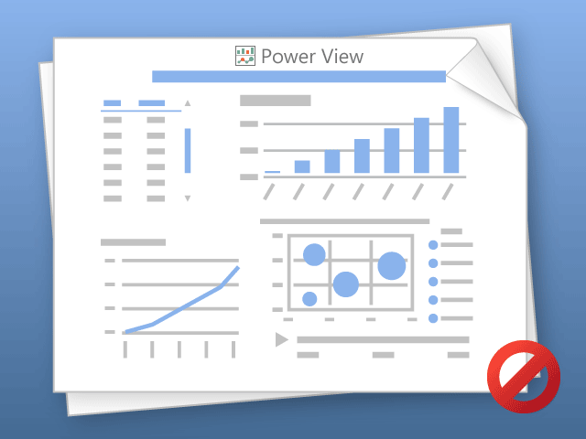

Power View can only print one sheet at a time.
Please switch to the desired sheet and try again.

